Bug report 1
ID | Project | Category | View Status | Date Submitted | Last Update
1 | Best Friends | bugtracker | public | 2023-04-09 | 2023-04-09

Reporter | Shalabai A.O. | Assigned To
Priority | high | Severity | critical | Reproducibility | always
Status | new | Resolution | open
Platform | Gchrome v 112.0.5615.47 | OS | Android | OS Version | 13

Summary | Elements of the site climb out of their places, which meet the requirements on the main page of the site
Description | "В избранное", "Сравнение" and "Купить" buttons climb out of their places, which meet the requirements on the main page of the site
Steps To Reproduce | 1. Open the site: http://opencart.qatestlab.net/index.php?route=common/home 2. Scroll down to the products 3. Pay attention to the "В избранное", "Сравнение" and "Купить" buttons
Additional Information
Tags
Attached Files | 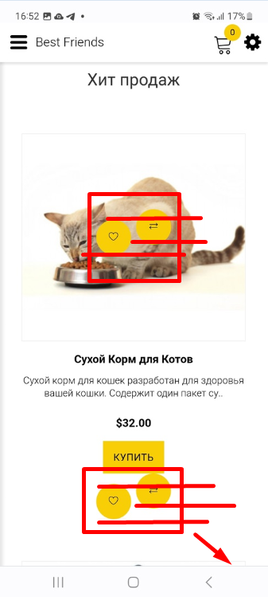

Bug report 2
ID | Project | Category | View Status | Date Submitted | Last Update
2 | Best Friends | bugtracker | public | 2023-04-09 | 2023-04-09

Reporter | Shalabai A.O. | Assigned To
Priority | high | Severity | major | Reproducibility | always
Status | new | Resolution | open
Platform | Gchrome v 112.0.5615.47 | OS | Android | OS Version | 13

Summary | The error messages text isn't translated into the selected language during registration
Description | The error messages text "The field is required" and "Please enter a valid e-mail address" isn't translated into the selected language during registration
Steps To Reproduce | 1. Open the site: http://opencart.qatestlab.net/index.php?route=common/home 2. Change language into Russian 3. Click on the "Аккаунт" button in the burger menu 4. Click on the "Регистрация" button 5. Write invalid symbols or leave name, last name and e-mail fields empty during registration 6. Pay attention to the error messages text
Additional Information
Tags
Attached Files | 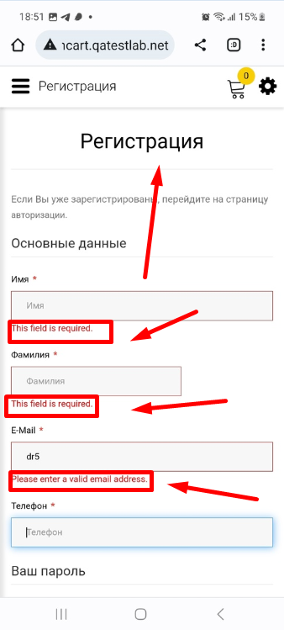

Bug report 3
ID | Project | Category | View Status | Date Submitted | Last Update
3 | Best Friends | bugtracker | public | 2023-04-09 | 2023-04-09

Reporter | Shalabai A.O. | Assigned To
Priority | high | Severity | major | Reproducibility | always
Status | new | Resolution | open
Platform | Gchrome v 112.0.5615.47 | OS | Android | OS Version | 13

Summary | The "Birds" and "Food" website pages take a very long time to load
Description | The "Birds" and "Food" website pages take a very long time to load, 7-10 seconds
Steps To Reproduce | 1. Open the site: http://opencart.qatestlab.net/index.php?route=common/home 2. Click on the burger menu 3. Click on the "Birds" button and wait for load 4. Click on the "Food" button and wait for load
Additional Information
Tags
Attached Files | 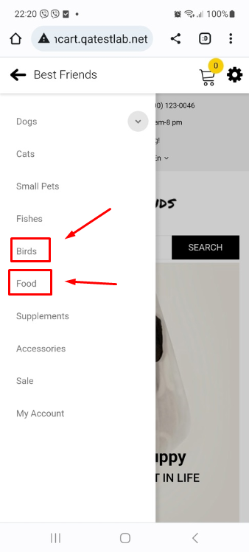

Bug report 4
ID | Project | Category | View Status | Date Submitted | Last Update
4 | Best Friends | bugtracker | public | 2023-04-09 | 2023-04-09

Reporter | Shalabai A.O. | Assigned To
Priority | high | Severity | critical | Reproducibility | always
Status | new | Resolution | open
Platform | Gchrome v 112.0.5615.47 | OS | Android | OS Version | 13

Summary | The text isn't translated into the selected language and contains unclear and invalid symbols in the footer, in the "Информация" block
Description | The text isn't translated from English into Russian language and contains unclear and invalid symbols in the footer, in the "Информация" block
Steps To Reproduce | 1. Open the site: http://opencart.qatestlab.net/index.php?route=common/home 2. Change language into Russian 3. Scroll down to the footer 4. Pay attention to the text in the "Информация" block
Additional Information
Tags
Attached Files | 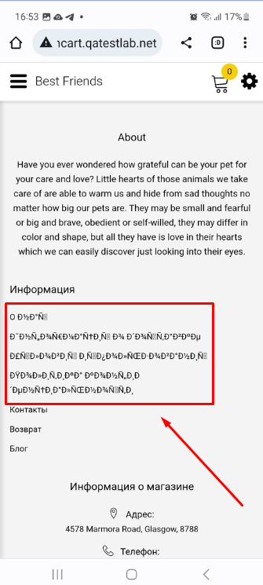

Bug report 5
ID | Project | Category | View Status | Date Submitted | Last Update
5 | Best Friends | bugtracker | public | 2023-04-09 | 2023-04-09

Reporter | Shalabai A.O. | Assigned To
Priority | medium | Severity | major | Reproducibility | always
Status | new | Resolution | open
Platform | Gchrome v 112.0.5615.47 | OS | Android | OS Version | 13

Summary | The word "e-mail" in the "E-mail" field is written in small letter and there is no ":" sign after it
Description | The word "e-mail" in the "E-mail" field is written in small letter and there is no ":" sign after it in the footer on the home page of the site
Steps To Reproduce | 1. Open the site: http://opencart.qatestlab.net/index.php?route=common/home 2. Change language into Russian 3. Scroll down to the footer 4. Pay attention to the "E-mail" field
Additional Information
Tags
Attached Files | 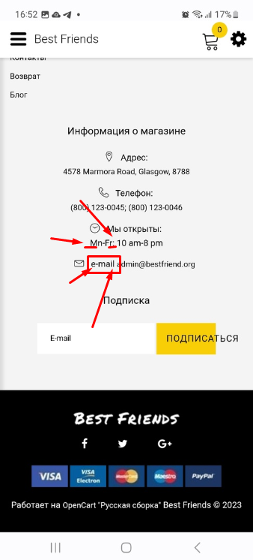

Bug report 6
ID | Project | Category | View Status | Date Submitted | Last Update
6 | Best Friends | bugtracker | public | 2023-04-09 | 2023-04-09

Reporter | Shalabai A.O. | Assigned To
Priority | high | Severity | critical | Reproducibility | always
Status | new | Resolution | open
Platform | Gchrome v 111.0.5563.147 | OS | Windows | OS Version | 10x64

Summary | The logo text and "Shop now" button are go beyond their designated place
Description | The logo text and "Shop now" button are go beyond their designated place
Steps To Reproduce | 1. Open the site: http://opencart.qatestlab.net/index.php?route=common/home 2. Scroll down to the logo of the site 3. Pay attention to the logo text and "Shop now" button
Additional Information
Tags
Attached Files | 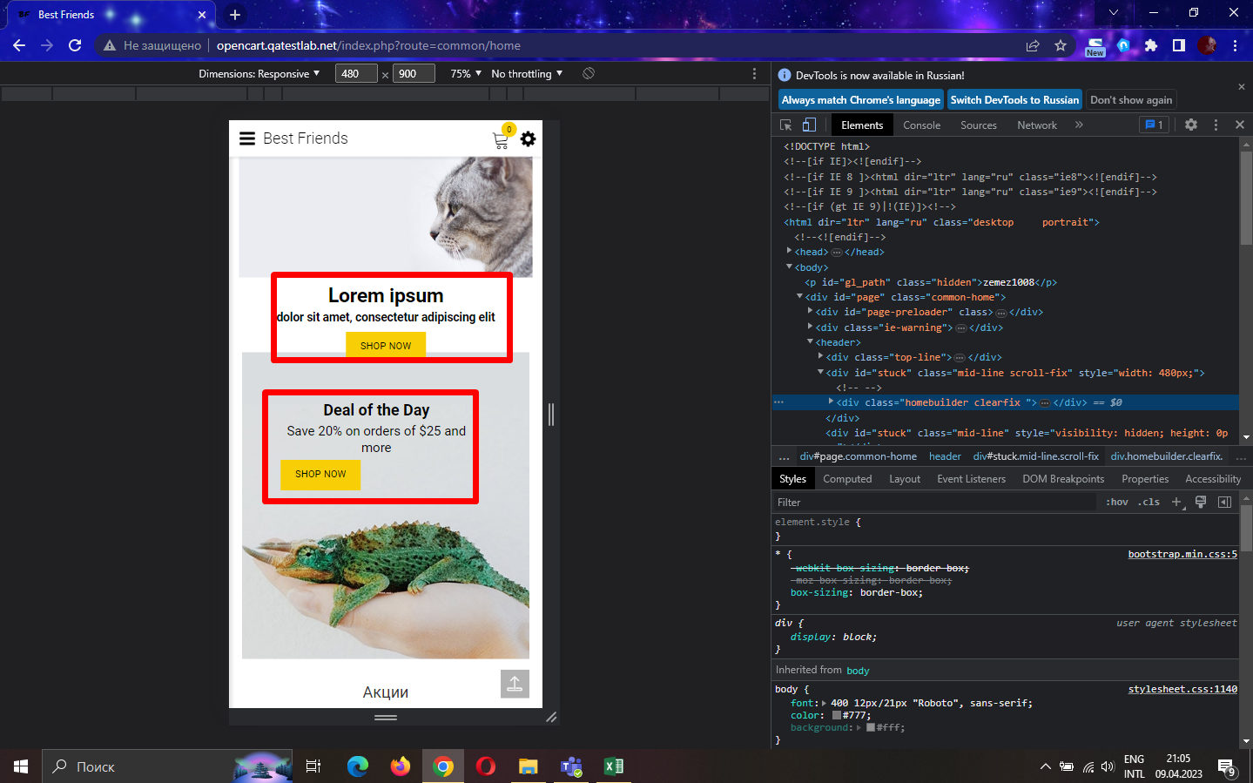

Bug report 7
ID | Project | Category | View Status | Date Submitted | Last Update
7 | Best Friends | bugtracker | public | 2023-04-09 | 2023-04-09

Reporter | Shalabai A.O. | Assigned To
Priority | high | Severity | critical | Reproducibility | always
Status | new | Resolution | open
Platform | Gchrome v 111.0.5563.147 | OS | Windows | OS Version | 10x64

Summary | The elements of the site go beyond their places, which meet the requirements
Description | The elements of the site go beyond their places, which meet the requirements in the header on the home page of the site
Steps To Reproduce | 1. Open the site: http://opencart.qatestlab.net/index.php?route=common/home 2. Pay attention to the elements of the header on the home page
Additional Information
Tags
Attached Files | 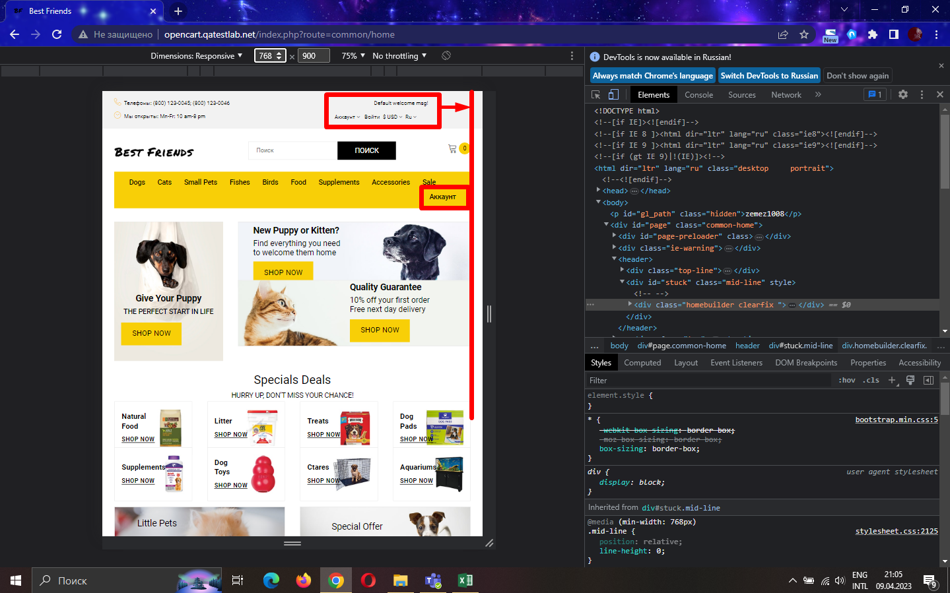

Bug report 8
ID | Project | Category | View Status | Date Submitted | Last Update
8 | Best Friends | bugtracker | public | 2023-04-09 | 2023-04-09

Reporter | Shalabai A.O. | Assigned To
Priority | high | Severity | critical | Reproducibility | always
Status | new | Resolution | open
Platform | Gchrome v 111.0.5563.147 | OS | Windows | OS Version | 10x64

Summary | The text in the product catalog overlaps the images of the products themselves on the home page of the site
Description | The text in the product catalog overlaps the images of the products themselves on the home page of the site
Steps To Reproduce | 1. Open the site: http://opencart.qatestlab.net/index.php?route=common/home 2. Pay attention to the text in the product catalog on the home page
Additional Information
Tags
Attached Files | 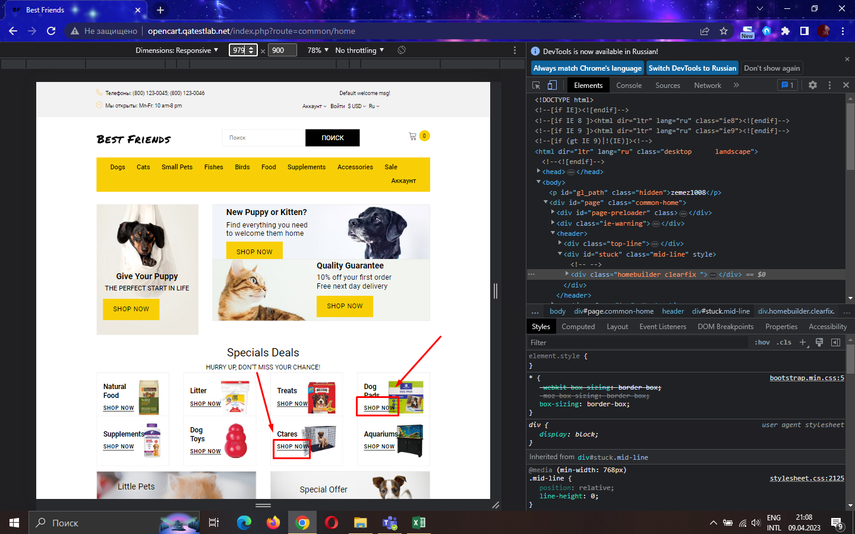

Bug report 9
ID | Project | Category | View Status | Date Submitted | Last Update
9 | Best Friends | bugtracker | public | 2023-04-09 | 2023-04-09

Reporter | Shalabai A.O. | Assigned To
Priority | high | Severity | major | Reproducibility | always
Status | new | Resolution | open
Platform | Gchrome v 111.0.5563.147 | OS | Windows | OS Version | 10x64

Summary | The field with the e-mail address isn't placed relative to other fields in the footer on the home page of the site
Description | The field with the e-mail address isn't placed relative to other fields in the footer on the home page of the site
Steps To Reproduce | 1. Open the site: http://opencart.qatestlab.net/index.php?route=common/home 2. Scroll down to the footer 3. Pay attention to the field with the e-mail address
Additional Information
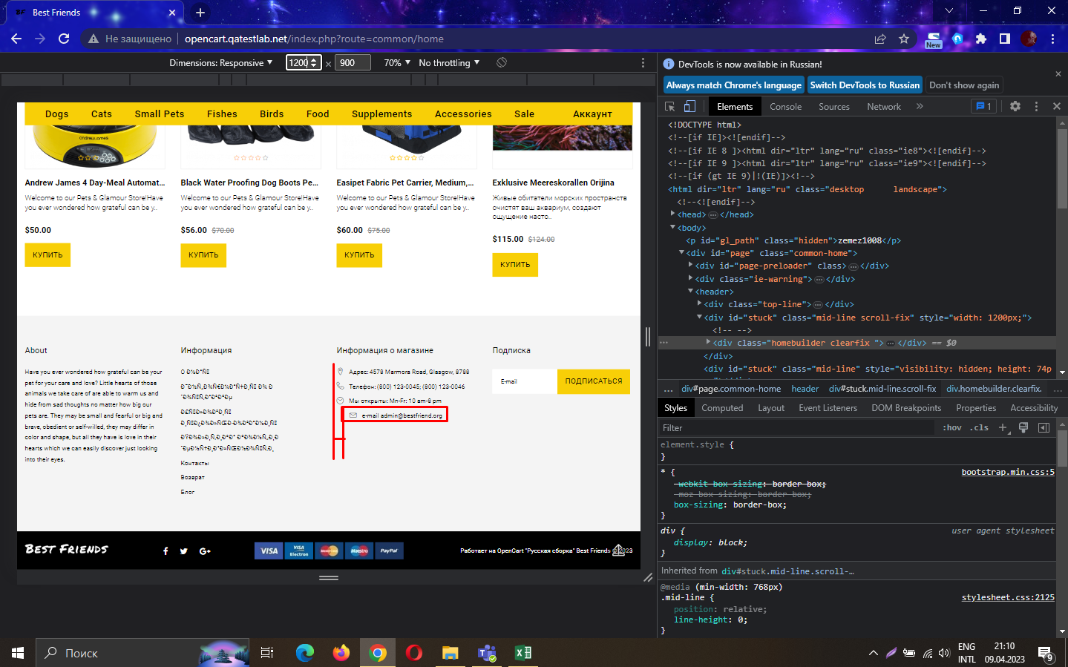
Tags
Attached Files

